MLM1
Model: | Model 4 |  |  |  |  |  |  |  |  |  |  | White | No Font | NoHeaders | With P-value | Low-res picture |  |  | No Comment | 9/22/24 3:51 PM + BOSCO + credit_card_dataset (2).xlsx + Dataset + RegressItPC 2021.06.18 | 9/22/24 3:51 PM + BOSCO + credit_card_dataset (2).xlsx + Dataset + RegressItPC 2021.06.18
Dependent Variable: |  | due_amount |  |  |  |  |  |  |  |  |  |  |  |  | Model 4 (#vars=7, n=350, AdjRsq=0.952): due_amount << age, credit_accounts, credit_limit, credit_score, employed.Eq.Yes, gender.Eq.Female, salary | No preceding model in this sequence. | Model 4 last follower visited was MLM2 (#vars=6, n=350, AdjRsq=0.95): due_amount << age, credit_accounts, credit_score, employed.Eq.Yes, gender.Eq.Female, salary | Model 4 following model is MLM2 (#vars=6, n=350, AdjRsq=0.95): due_amount << age, credit_accounts, credit_score, employed.Eq.Yes, gender.Eq.Female, salary
 |  |  |  |  |  |  |  |  | R code: | Model.4 <- lm(due_amount ~ age + credit_accounts + credit_limit + credit_score + employed.Eq.Yes + gender.Eq.Female + salary, data = Dataset) |  |  |  |  |  |  |  | Additional information
 | R-Squared | Adj.R-Sqr. | Std.Err.Reg. | Std.Dep.Var. | # Fitted | # Missing | Critical t | Confidence
 | 0.953 | 0.952 | 50.692 | 232.033 | 350 | 0 | 1.967 | 95.0%
 |  |  |  |  |  |  |  |  |  |  |  | R-Squared | Adj.R-Sqr.
Variable | Coefficient | Std.Err. | t-Statistic | P-value | Lower95% | Upper95% | VIF | Std. Coeff. |  |  |  | 0.953 | 0.952 |  |  |  |  |  | Link to Simple linear regression model
Constant | -30.849 | 17.073 | -1.807 | 0.072 | -64.430 | 2.732 | 0.000 | 0.000
age | -0.325 | 0.168 | -1.935 | 0.054 | -0.656 | 0.005313 | 1.036 | -0.023 |  |  | here how I say this is a good model |  |  | ??? |  |  | If you check the R-square value, it has increased from 0.747 to 0.952. This means that 95% variation (an
credit_accounts | -1.708 | 2.513 | -0.680 | 0.497 | -6.651 | 3.235 | 1.021 | -0.008031 |  |  |  |  |  |  |  |  | increase of approximately 20%) in the data set can be explained using this model. This means that
credit_limit | 0.191 | 0.049 | 3.857 | 0.000 | 0.093 | 0.288 | 158.095 | 0.567 |  |  | For that , we have the Adj.R.Sqr value |  |  |  |  |  | increasing variables has resulted in model improvement.
credit_score | 1.189 | 0.226 | 5.273 | 0.000 | 0.746 | 1.633 | 158.062 | 0.775 |  |  | you can chack that we obtain an adj.R.Sqr value of 0.952, which means
employed.Eq.Yes | -212.488 | 8.974 | -23.679 | 0.000 | -230.138 | -194.837 | 1.012 | -0.279 |  |  | 95.2% variation in due_amount can be safely captured by this model
gender.Eq.Female | 5.502 | 5.444 | 1.011 | 0.313 | -5.206 | 16.209 | 1.006 | 0.012 |  |  |  |  |  |  |  |  | two main parameters to judge the insignificant variables, p-values and VIFs
salary | -7.981 | 0.258 | -30.876 | 0.000 | -8.489 | -7.473 | 2.758 | -0.600

 |  |  |  |  |  |  |  |  |  | there could be problems like multicolinearity insignificant variable in
 | Mean Error | RMSE | MAE | Minimum | Maximum |  | A-D* stat |  |  | our model can be present and need to be chack before we start using the final model
Fitted (n=350) | 0.000 | 50.109 | 40.074 | -86.238 | 151.734 |  | 4.71 (P=0.000)

 |  |  |  |  |  |  |  |  |  | Let's deal with problem of multicollinearity
 |  |  |  |  |  |  |  |  |  | here we can chack that 2 variables , that is credit limit and credit score ' have a VIF value greater then 10
 |  |  |  |  |  |  |  |  |  | so have to drop one of the 2 variables
 |  |  |  |  |  |  |  |  |  | but how do we decide which ?
 |  |  |  |  |  |  |  |  |  | to use Business perspective In our data set will be dropping credit Limit variable
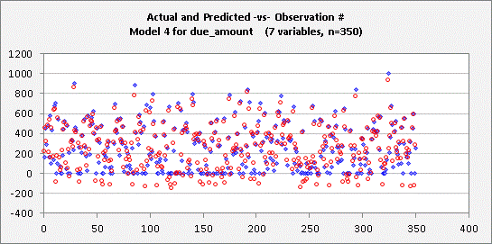
 |  |  |  |  |  |  |  |  |  | That is because the credit variable that could be captured customer attribute in a more defined way
 |  |  |  |  |  |  |  |  |  | therefore , we will be keeping the credit score in our model and dropping the creadit limit
 |  | FALSE

 |  |  |  |  |  |  |  |  |  |  | HERE WE DROPPING CREDIT LIMIT

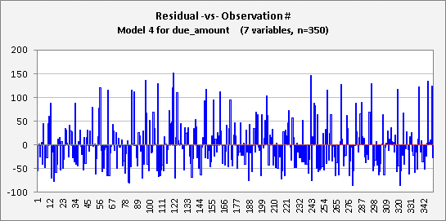

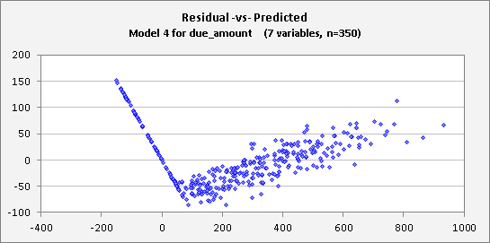

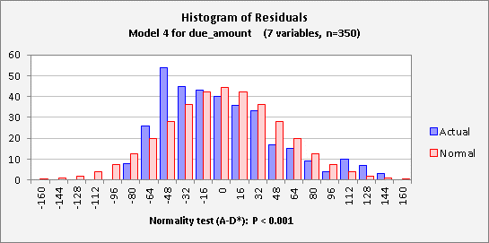

End of Output

MLM2
Model: | MLM2 |  |  |  |  |  |  |  |  |  | White | No Font | NoHeaders | With P-value | Low-res picture |  |  | No Comment |  | 9/22/24 4:17 PM + BOSCO + credit_card_dataset (2).xlsx + Dataset + RegressItPC 2021.06.18 | 9/22/24 4:17 PM + BOSCO + credit_card_dataset (2).xlsx + Dataset + RegressItPC 2021.06.18
Dependent Variable: |  | due_amount |  |  |  |  |  |  |  |  |  |  |  | MLM2 (#vars=6, n=350, AdjRsq=0.95): due_amount << age, credit_accounts, credit_score, employed.Eq.Yes, gender.Eq.Female, salary | MLM2 preceding model was Model 4 (#vars=7, n=350, AdjRsq=0.952): due_amount << age, credit_accounts, credit_limit, credit_score, employed.Eq.Yes, gender.Eq.Female, salary | MLM2 last follower visited was MLM2 2 (#vars=5, n=350, AdjRsq=0.95): due_amount << age, credit_score, employed.Eq.Yes, gender.Eq.Female, salary | MLM2 following model is MLM2 2 (#vars=5, n=350, AdjRsq=0.95): due_amount << age, credit_score, employed.Eq.Yes, gender.Eq.Female, salary
 |  |  |  |  |  |  |  |  | R code: | MLM2. <- lm(due_amount ~ age + credit_accounts + credit_score + employed.Eq.Yes + gender.Eq.Female + salary, data = Dataset)
 | R-Squared | Adj.R-Sqr. | Std.Err.Reg. | Std.Dep.Var. | # Fitted | # Missing | Critical t | Confidence |  |  |  |  |  |  |  |  |  |  | Additional information
 | 0.951 | 0.950 | 51.707 | 232.033 | 350 | 0 | 1.967 | 95.0% |  |  |  |  |  |  |  |  |  | what happened multicollinearity is present
 |  |  |  |  |  |  |  |  |  |  | R-Squared | Adj.R-Sqr. |  |  |  |  |  | in model Aur VIF score is greater than 10
Variable | Coefficient | Std.Err. | t-Statistic | P-value | Lower95% | Upper95% | VIF | Std. Coeff. |  |  | 0.951 | 0.950
Constant | -62.936 | 15.207 | -4.139 | 0.000 | -92.847 | -33.025 | 0.000 | 0.000 |  |  |  |  |  |  |  |  |  | When multicollinearity is present in a model and the VIF (Variance Inflation Factor) score is
age | -0.341 | 0.171 | -1.992 | 0.047 | -0.679 | -0.004335 | 1.035 | -0.024 |  |  | here with cridit limit we can see that our R-squaer value has dropped a bit |  |  |  |  |  |  | greater than 10, it means that one or more independent variables are highly correlated with each
credit_accounts | -1.052 | 2.558 | -0.411 | 0.681 | -6.082 | 3.979 | 1.016 | -0.004945 |  |  |  |  |  |  |  |  |  | other. This makes it difficult to estimate the effect of each variable accurately, leading to
credit_score | 2.052 | 0.030 | 68.463 | 0.000 | 1.993 | 2.111 | 2.682 | 1.338 |  |  | none of value exist where the VIF value is greater than 10 |  |  |  |  |  |  | unreliable and inflated coefficient estimates. In short, multicollinearity can reduce the model's
employed.Eq.Yes | -211.110 | 9.146 | -23.082 | 0.000 | -229.100 | -193.121 | 1.010 | -0.277 |  |  | there fore we can safely say that there is no presences of multicollinearity in this model |  |  |  |  |  |  | predictive power and make the results less interpretable.
gender.Eq.Female | 5.641 | 5.553 | 1.016 | 0.310 | -5.281 | 16.562 | 1.006 | 0.012
salary | -7.926 | 0.263 | -30.107 | 0.000 | -8.444 | -7.408 | 2.749 | -0.595

 | Mean Error | RMSE | MAE | Minimum | Maximum |  | A-D* stat |  |  |  | here the next chack thing
Fitted (n=350) | 0.000 | 51.188 | 41.136 | -97.542 | 153.218 |  | 2.36 (P=0.000) |  |  |  | the amount and the independent variable is significant or not ?? |  |  |  |  |  |  | What is the fixed VIF score for model ?

 |  |  |  |  |  |  |  |  |  |  | for that we rely on the p-value
 |  |  |  |  |  |  |  |  |  |  | if the P-value > 0>5 |  |  |  |  |  |  | There is no fixed VIF (Variance Inflation Factor) score that is universally acceptable for all models, but generally accepted guidelines are
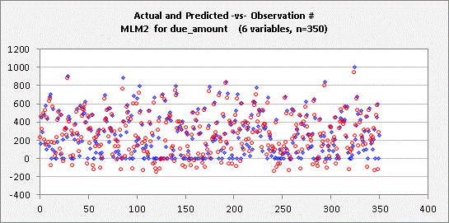
 |  |  |  |  |  |  |  |  |  |  | that mean the relationship between those 2 variables is not significants
 |  |  |  |  |  |  |  |  |  |  |  |  |  |  |  |  |  |  | VIF = 1: No multicollinearity
 |  | FALSE |  |  |  |  |  |  |  |  | in our case that is 2 variables the cridit acoount and the gender equals female which is
 |  |  |  |  |  |  |  |  |  |  | P_value greater then 0.05 |  |  |  |  |  |  |  | VIF between 1 and 5: Moderate multicollinearity, generally acceptable.

 |  |  |  |  |  |  |  |  |  |  |  |  |  |  |  |  |  |  | VIF > 5: High multicollinearity, consider investigating further.
 |  |  |  |  |  |  |  |  |  |  | so we need to re-build the model and which has Significant relationship
 |  |  |  |  |  |  |  |  |  |  | so here can we dropping one variable as well |  |  |  |  |  |  |  | VIF > 10: Significant multicollinearity, often considered problematic and may require corrective actions, such as removing or combining variables.
 |  |  |  |  |  |  |  |  |  |  | here we dropping creadit account 1st as it has higher p-value

 |  |  |  |  |  |  |  |  |  |  |  |  |  |  |  |  |  | The threshold depends on the context, but a VIF greater than 10 is typically seen as a red flag.

 |  |  |  |  |  |  |  |  |  |  | HERE WE DROPPING CREADITACCOUNT

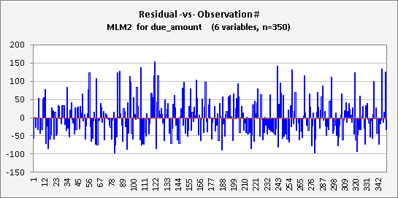

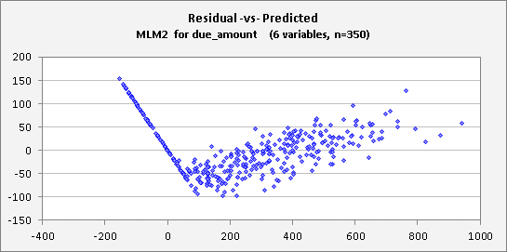

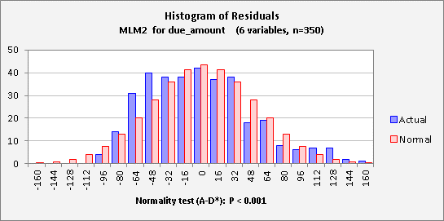

End of Output

MLM 3
Model: | MLM2 2 |  |  |  |  |  |  |  |  |  |  | White | No Font | NoHeaders | With P-value | Low-res picture |  | No Comment | 9/22/24 5:02 PM + BOSCO + credit_card_dataset (2).xlsx + Dataset + RegressItPC 2021.06.18 | 9/22/24 5:02 PM + BOSCO + credit_card_dataset (2).xlsx + Dataset + RegressItPC 2021.06.18
Dependent Variable: |  | due_amount |  |  |  |  |  |  |  |  |  |  |  |  | MLM2 2 (#vars=5, n=350, AdjRsq=0.95): due_amount << age, credit_score, employed.Eq.Yes, gender.Eq.Female, salary | MLM2 2 preceding model was MLM2 (#vars=6, n=350, AdjRsq=0.95): due_amount << age, credit_accounts, credit_score, employed.Eq.Yes, gender.Eq.Female, salary | No following model in this sequence.
 |  |  |  |  |  |  |  |  | R code: | MLM2.2 <- lm(due_amount ~ age + credit_score + employed.Eq.Yes + gender.Eq.Female + salary, data = Dataset)
 | R-Squared | Adj.R-Sqr. | Std.Err.Reg. | Std.Dep.Var. | # Fitted | # Missing | Critical t | Confidence
 | 0.951 | 0.950 | 51.645 | 232.033 | 350 | 0 | 1.967 | 95.0%

Variable | Coefficient | Std.Err. | t-Statistic | P-value | Lower95% | Upper95% | VIF | Std. Coeff.
Constant | -65.456 | 13.901 | -4.709 | 0.000 | -92.798 | -38.114 | 0.000 | 0.000
age | -0.340 | 0.171 | -1.985 | 0.048 | -0.676 | -0.003148 | 1.035 | -0.024
credit_score | 2.051 | 0.030 | 68.611 | 0.000 | 1.992 | 2.110 | 2.676 | 1.337 |  |  | again we drop gender Eq.female
employed.Eq.Yes | -211.389 | 9.110 | -23.204 | 0.000 | -229.307 | -193.470 | 1.005 | -0.277
gender.Eq.Female | 5.736 | 5.541 | 1.035 | 0.301 | -5.163 | 16.635 | 1.004 | 0.012
salary | -7.917 | 0.262 | -30.210 | 0.000 | -8.433 | -7.402 | 2.731 | -0.595

 | Mean Error | RMSE | MAE | Minimum | Maximum |  | A-D* stat
Fitted (n=350) | 0.000 | 51.200 | 41.208 | -98.284 | 152.708 |  | 2.42 (P=0.000)



 |  | FALSE

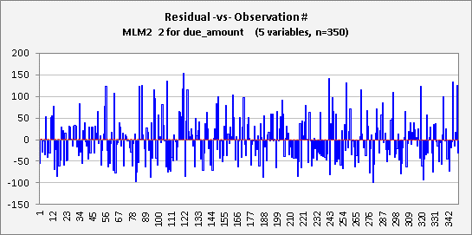

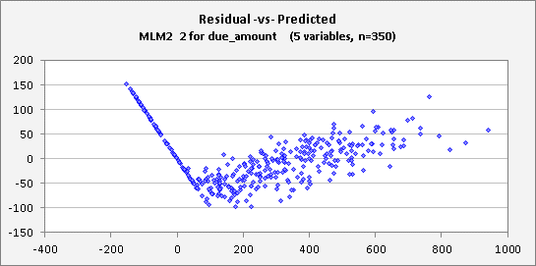

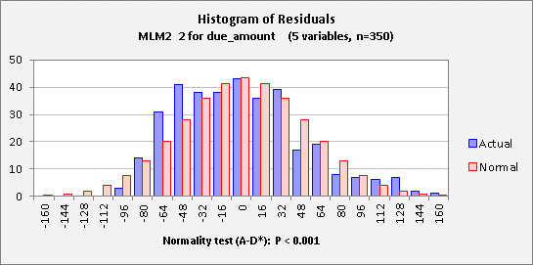

End of Output

MLM 4
Model: | MLM 4 |  |  |  |  |  |  |  |  |  | Color | No Font | NoHeaders | With P-value | Low-res picture |  | No Comment | 9/22/24 5:09 PM + BOSCO + credit_card_dataset (2).xlsx + Dataset + RegressItPC 2021.06.18 |  | 9/22/24 5:09 PM + BOSCO + credit_card_dataset (2).xlsx + Dataset + RegressItPC 2021.06.18
Dependent Variable: |  | due_amount |  |  |  |  |  |  |  |  |  |  |  | MLM 4 (#vars=4, n=350, AdjRsq=0.95): due_amount << age, credit_score, employed.Eq.Yes, salary | MLM 4 preceding model was MLM2 2 (#vars=5, n=350, AdjRsq=0.95): due_amount << age, credit_score, employed.Eq.Yes, gender.Eq.Female, salary | No following model in this sequence.
Independent Variables: |  |  |  |  |  |  |  |  |  |  |  |  |  |  |  |  |  |  | Actual and Predicted -vs- Observation # MLM 4 for due_amount (4 variables, n=350)
age, credit_score, employed.Eq.Yes, salary
Equation:
Predicted due_amount = -63.345 - 0.341*age + 2.051*credit_score - 210.858*employed.Eq.Yes - 7.915*salary
 |  |  |  |  |  |  |  |  | R code: | MLM.4. <- lm(due_amount ~ age + credit_score + employed.Eq.Yes + salary, data = Dataset)
 | R-Squared | Adj.R-Sqr. | Std.Err.Reg. | Std.Dep.Var. | # Fitted | # Missing | Critical t | Confidence
 | 0.951 | 0.950 | 51.650 | 232.033 | 350 | 0 | 1.967 | 95.0%

Variable | Coefficient | Std.Err. | t-Statistic | P-value | Lower95% | Upper95% | VIF | Std. Coeff.
Constant | -63.345 | 13.752 | -4.606 | 0.000 | -90.394 | -36.296 | 0.000 | 0 |  |  | Now all the variables are now significant
age | -0.341 | 0.171 | -1.990 | 0.047 | -0.677 | -0.003967 | 1.035 | -0.024 |  |  | There is no presence of multicolliearity in the model
credit_score | 2.051 | 0.030 | 68.618 | 0.000 | 1.993 | 2.110 | 2.675 | 1.337 |  |  | Ther Rsquare value remains the same
employed.Eq.Yes | -210.858 | 9.097 | -23.180 | 0.000 | -228.750 | -192.966 | 1.002 | -0.276
salary | -7.915 | 0.262 | -30.199 | 0.000 | -8.430 | -7.399 | 2.731 | -0.595

Source | Deg. Freedom | Sum Squares | Mean Square | F-Statistic | P-value
Regression | 4 | 17,869,626 | 4,467,406 | 1674.605 | 0.000
Residual | 345 | 920,369 | 2,668
Total | 349 | 18,789,995

 | Mean Error | RMSE | MAE | Minimum | Maximum |  | A-D* stat
Fitted (n=350) | 0.000 | 51.280 | 41.269 | -101.173 | 150.048 |  | 2.46 (P=0.000) |  |  |  |  | here we conclude that we have a good model
 |  |  |  |  |  |  |  |  |  |  |  | which has all the signific variables and is able to explain
 |  |  |  |  |  |  |  |  |  |  |  | 95% of the variation in Due_amount



 |  | FALSE

 |  |  |  |  |  |  |  |  |  |  | Significant variables that impact the due amount of a customer are as follows:

 |  |  |  |  |  |  |  |  |  |  | age

 |  |  |  |  |  |  |  |  |  |  | credit_score

 |  |  |  |  |  |  |  |  |  |  | employed.Eq.Yes

 |  |  |  |  |  |  |  |  |  |  | salary

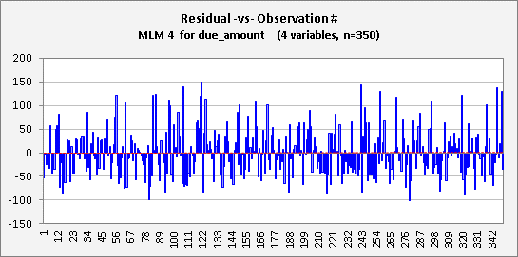

 |  |  |  |  |  |  |  |  |  | 2nd Assumption
 |  |  |  |  |  |  |  |  |  | we can see that residuals are randomly distributied .
 |  |  |  |  |  |  |  |  |  | You can find any pattern that suggests that residual values are dependent on each other

 |  |  |  |  |  |  |  |  |  | 4th Assumption
 |  |  |  |  |  |  |  |  |  | there is no visiable pattern claiming
 |  |  |  |  |  |  |  |  |  | that the values of risiduals is increasing
 |  |  |  |  |  |  |  |  |  | or decreasing as we move ahead
 |  |  |  |  |  |  |  |  |  | which means that the variables has been constant throughtout thought



 |  |  |  |  |  |  |  |  |  | the next step is need to chack residual analysis

 |  |  |  |  |  |  |  |  |  | in this analysis we will be chacking where the model fits all the assumptions of liner regression or not
 |  |  |  |  |  |  |  |  |  | it should be a liner realationship between the variables that are independennt and that are dependent

 |  |  |  |  |  |  |  |  |  | here the P-value gives us a significant proof that the releationship between then is significan
 |  |  |  |  |  |  |  |  |  | and the coefficients tell us where the relation is positive or neagitive

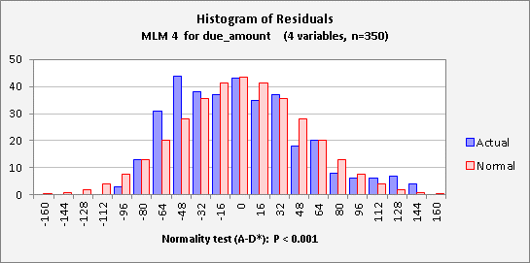

 |  |  |  |  |  |  |  |  |  | 3rd Assumption
 |  |  |  |  |  |  |  |  |  | the error terms follow a normal distribution .
 |  |  |  |  |  |  |  |  |  | Even thought there's distorted normal distribution ,
 |  |  |  |  |  |  |  |  |  | it's quity close to the normal distribution that is surrounded the mean of Zero

Based on all the statistical measures and our residual analysis , we can say that we have built a very good model which is
able to capture relationship of due amount with multiple variables and can be very useful for the bank in predicting the due amount for a customer . bases on his attributes of age creadit score , employability and salary

Test data set
salary | credit_limit | credit_score | credit_accounts | age | gender | gender.Eq.Female | employed | employed.Eq.Yes | due_amount | preadited_due_amount
16 | 469 | 151 | 3 | 66 | Male | 0 | Yes | 1 | 0 | -113.648
31 | 1542 | 366 | 1 | 67 | Female | 1 | Yes | 1 | 151 | 208.251 | R^2 Value
53 | 2142 | 496 | 2 | 38 | Female | 1 | Yes | 1 | 292 | 310.64 | 95%
21 | 1415 | 335 | 2 | 44 | Female | 1 | Yes | 1 | 213 | 231.663
7 | 1162 | 286 | 2 | 41 | Male | 0 | Yes | 1 | 207 | 242.997 | here the model is able to capture 95%
91 | 3590 | 815 | 4 | 55 | Male | 0 | Yes | 1 | 703 | 658.342 | of the variation in the test data set
18 | 1827 | 433 | 4 | 34 | Female | 1 | Yes | 1 | 481 | 459.816 | this is a very good value to have as this signifies that
20 | 762 | 184 | 3 | 38 | Female | 1 | Yes | 1 | 0 | -68.077 | the model that we have built works very well on the test data set
16 | 1301 | 332 | 4 | 76 | Female | 1 | Yes | 1 | 174 | 254.173 | it is able to capture 95% of variation in the due amount
7 | 1342 | 337 | 1 | 75 | Female | 1 | Yes | 1 | 306 | 336.004 | which is present in the test data set.
27 | 1768 | 425 | 1 | 77 | Male | 0 | Yes | 1 | 356 | 357.51
27 | 1483 | 354 | 1 | 43 | Male | 0 | Yes | 1 | 191 | 223.483
14 | 1531 | 374 | 3 | 58 | Male | 0 | Yes | 1 | 355 | 362.283
33 | 1839 | 424 | 2 | 76 | Female | 1 | Yes | 1 | 289 | 308.31
65 | 2948 | 671 | 3 | 63 | Female | 1 | Yes | 1 | 622 | 566.06
57 | 1933 | 479 | 1 | 65 | Female | 1 | No | 0 | 395 | 445.764
31 | 2362 | 552 | 2 | 53 | Female | 1 | Yes | 1 | 632 | 594.511
12 | 1085 | 257 | 4 | 66 | Female | 1 | Yes | 1 | 108 | 135.418
45 | 1728 | 431 | 4 | 35 | Male | 0 | Yes | 1 | 173 | 241.668
36 | 2409 | 587 | 3 | 54 | Female | 1 | Yes | 1 | 604 | 626.38 |  | here we can see that our model does a very good job
18 | 1841 | 456 | 2 | 38 | Female | 1 | Yes | 1 | 496 | 505.625
20 | 645 | 169 | 1 | 71 | Female | 1 | Yes | 1 | 0 | -110.095
10 | 1135 | 287 | 3 | 43 | Male | 0 | No | 0 | 420 | 431.479
28 | 1607 | 375 | 3 | 35 | Male | 0 | No | 0 | 502 | 472.225
15 | 1452 | 360 | 1 | 72 | Male | 0 | Yes | 1 | 294 | 320.88
11 | 1702 | 404 | 4 | 41 | Male | 0 | Yes | 1 | 500 | 453.355
44 | 2151 | 504 | 1 | 43 | Male | 0 | Yes | 1 | 384 | 396.578
15 | 471 | 139 | 3 | 48 | Female | 1 | Yes | 1 | 0 | -124.207
10 | 1483 | 358 | 1 | 31 | Female | 1 | Yes | 1 | 359 | 370.334
27 | 858 | 209 | 2 | 79 | Female | 1 | Yes | 1 | 0 | -86.188
58 | 2328 | 527 | 1 | 78 | Male | 0 | Yes | 1 | 331 | 321.006
51 | 2409 | 562 | 3 | 79 | Female | 1 | Yes | 1 | 425 | 447.855
13 | 1649 | 400 | 3 | 31 | Female | 1 | No | 0 | 676 | 643.589
8 | 983 | 276 | 4 | 60 | Female | 1 | Yes | 1 | 191 | 208.093
11 | 561 | 176 | 4 | 72 | Female | 1 | Yes | 1 | 0 | -24.844
14 | 1692 | 390 | 4 | 55 | Male | 0 | Yes | 1 | 453 | 396.122
10 | 1105 | 281 | 3 | 54 | Female | 1 | Yes | 1 | 186 | 204.564
9 | 408 | 123 | 2 | 58 | Female | 1 | Yes | 1 | 0 | -112.943
19 | 2049 | 472 | 1 | 76 | Male | 0 | Yes | 1 | 565 | 517.568
42 | 2130 | 492 | 1 | 41 | Female | 1 | Yes | 1 | 403 | 388.478
68 | 3174 | 732 | 4 | 76 | Male | 0 | Yes | 1 | 697 | 662.993
37 | 1967 | 462 | 1 | 40 | Male | 0 | Yes | 1 | 361 | 366.864
13 | 693 | 192 | 3 | 22 | Female | 1 | Yes | 1 | 0 | 9.192
9 | 401 | 135 | 4 | 61 | Female | 1 | Yes | 1 | 0 | -89.354
25 | 1728 | 401 | 2 | 38 | Male | 0 | Yes | 1 | 367 | 337.415
7 | 1230 | 300 | 2 | 30 | Female | 1 | Yes | 1 | 280 | 275.462
7 | 1152 | 290 | 4 | 61 | Female | 1 | Yes | 1 | 240 | 244.381
29 | 1252 | 314 | 1 | 63 | Male | 0 | Yes | 1 | 69 | 118.793
19 | 758 | 188 | 3 | 41 | Female | 1 | Yes | 1 | 0 | -52.981
10 | 1658 | 406 | 1 | 60 | Male | 0 | Yes | 1 | 483 | 458.893

